Analysis
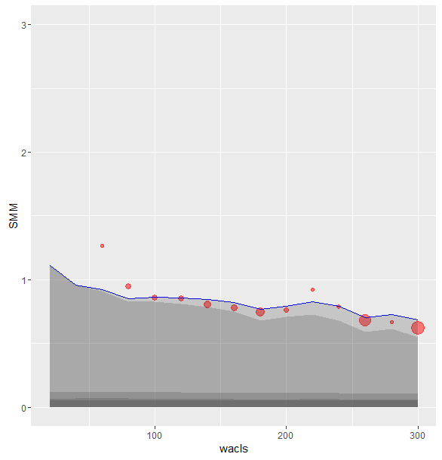
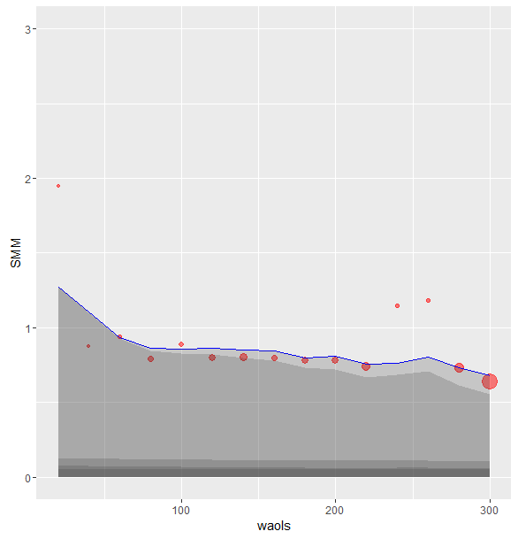
 | ACLS |  |  |  |  |  | AOLS
Row Labels | 'bal | 'actual.smm | 'model.smm | 'model w/o refi | 'Ratio | 'Ratio w/o refi | 'bal | 'actual.smm | 'model.smm | 'model w/o refi | 'Ratio | 'Ratio w/o refi
20 | 85,955,938 | 10.74 | 1.11 | 1.11 | 9.66 | 9.66 | 1,710,207 | 1.95 | 1.27 | 1.27 | 1.53 | 1.53
40 | 2,197,702,577 | 3.37 | 0.96 | 0.96 | 3.52 | 3.52 | 193,597,803 | 0.88 | 1.10 | 1.10 | 0.79 | 0.79
60 | 6,727,455,421 | 1.26 | 0.92 | 0.91 | 1.38 | 1.39 | 6,243,700,711 | 0.94 | 0.93 | 0.93 | 1.00 | 1.01
80 | 48,593,436,312 | 0.94 | 0.85 | 0.82 | 1.11 | 1.14 | 31,993,343,353 | 0.79 | 0.86 | 0.84 | 0.91 | 0.94
100 | 56,831,329,496 | 0.86 | 0.86 | 0.82 | 0.99 | 1.04 | 26,239,260,838 | 0.88 | 0.86 | 0.83 | 1.03 | 1.07
120 | 50,232,980,224 | 0.85 | 0.86 | 0.81 | 0.99 | 1.05 | 74,286,286,607 | 0.80 | 0.86 | 0.82 | 0.92 | 0.97
140 | 133,831,320,835 | 0.80 | 0.84 | 0.78 | 0.95 | 1.02 | 117,820,538,639 | 0.80 | 0.85 | 0.80 | 0.95 | 1.01
160 | 91,259,866,729 | 0.78 | 0.82 | 0.75 | 0.95 | 1.04 | 54,739,389,407 | 0.80 | 0.85 | 0.78 | 0.94 | 1.02
180 | 205,284,383,056 | 0.74 | 0.77 | 0.68 | 0.97 | 1.09 | 65,982,357,934 | 0.78 | 0.80 | 0.73 | 0.97 | 1.07
200 | 31,181,063,521 | 0.76 | 0.79 | 0.71 | 0.96 | 1.07 | 81,510,335,388 | 0.78 | 0.81 | 0.72 | 0.96 | 1.08
220 | 2,449,786,836 | 0.92 | 0.83 | 0.73 | 1.11 | 1.27 | 152,249,723,174 | 0.74 | 0.75 | 0.67 | 0.98 | 1.11
240 | 14,893,288,211 | 0.79 | 0.79 | 0.68 | 0.99 | 1.16 | 9,799,213,889 | 1.15 | 0.76 | 0.68 | 1.51 | 1.68
260 | 479,612,188,153 | 0.68 | 0.70 | 0.59 | 0.97 | 1.15 | 8,599,272,410 | 1.18 | 0.80 | 0.71 | 1.47 | 1.67
280 | 7,105,847,325 | 0.67 | 0.73 | 0.61 | 0.92 | 1.09 | 250,523,219,396 | 0.73 | 0.73 | 0.62 | 1.00 | 1.19
300 | 615,467,043,651 | 0.62 | 0.68 | 0.55 | 0.90 | 1.13 | 865,571,698,530 | 0.63 | 0.68 | 0.55 | 0.93 | 1.15

 |  | ALCS | ALCS | ALCS |  |  |  | AOLS | AOLS | AOLS |  |  | 175+ | 175+ | 175+
 |  | actual | model | ratio |  |  |  | actual | model | ratio |  |  | actual | model | ratio
20 |  | 74.41 | 12.55 | 5.93 |  |  |  | 21.03 | 14.23 | 1.48
40 |  | 33.69 | 10.90 | 3.09 |  |  |  | 10.01 | 12.46 | 0.80 |  |  | - | - | #DIV/0!
60 |  | 14.16 | 10.49 | 1.35 |  |  |  | 10.68 | 10.65 | 1.00 |  |  | - | - | #DIV/0!
80 |  | 10.74 | 9.72 | 1.10 | 1.85 | 60 |  | 9.06 | 9.89 | 0.92 |  |  | - | - | #DIV/0!
100 |  | 9.82 | 9.87 | 1.00 |  |  |  | 10.10 | 9.83 | 1.03 |  |  | - | - | #DIV/0!
120 |  | 9.72 | 9.82 | 0.99 |  |  |  | 9.14 | 9.85 | 0.93
140 |  | 9.22 | 9.67 | 0.95 |  |  |  | 9.23 | 9.74 | 0.95
160 |  | 8.93 | 9.39 | 0.95 |  |  |  | 9.15 | 9.69 | 0.94

